Walking Boots
WALKING BOOTS
BRAND | STYLE | GENDER | DESCRIPTION | 6 | 7 | 8 | 9 | 10 | 11 | 12 | TTL | COMMENTS | RRP
URBAN TERRITORY | 58632 | MENS | Mens Black Lace Up Boot | 424 | 799 | 1426 | 1568 | 1390 | 807 | 510 | 6924 | 543 CTNS X PRE PACK (7/1 8/2 9/2 10/2 11/1 ) = 8 2580prs BALANCE BLOCKED SIZES | £24.99
 |  |  |  |  |  |  |  |  |  |  |  | 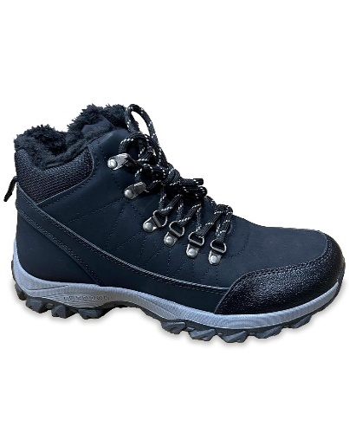

BRAND | STYLE | GENDER | DESCRIPTION | 3 | 4 | 5 | 6 | 7 | 8 | 9 | TTL | COMMENTS | RRP
LILLEY | ERIN | LADIES | Womens Black Knitted Collar Boot | 70 | 206 | 396 | 501 | 447 | 228 | 130 | 1978 | 87 CTNS X PRE PACK (4/1 5/2 6/3 7/3 8/1 ) = 10 1108prs BALANCE BLOCKED SIZES | £19.99
 |  | 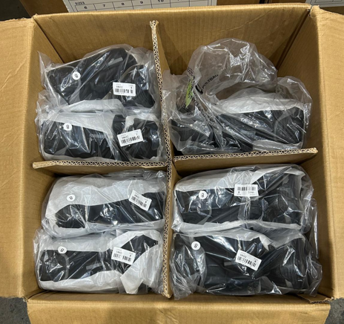 |  |  |  |  |  | 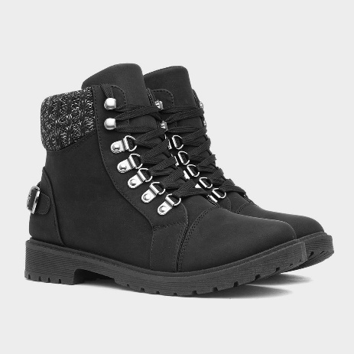 |  |  |  | 